Sheet1
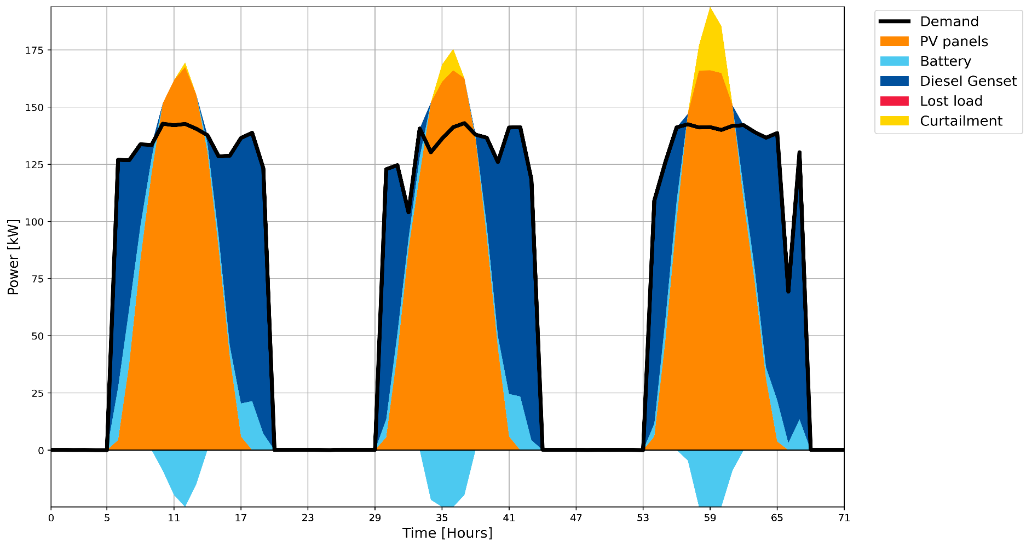
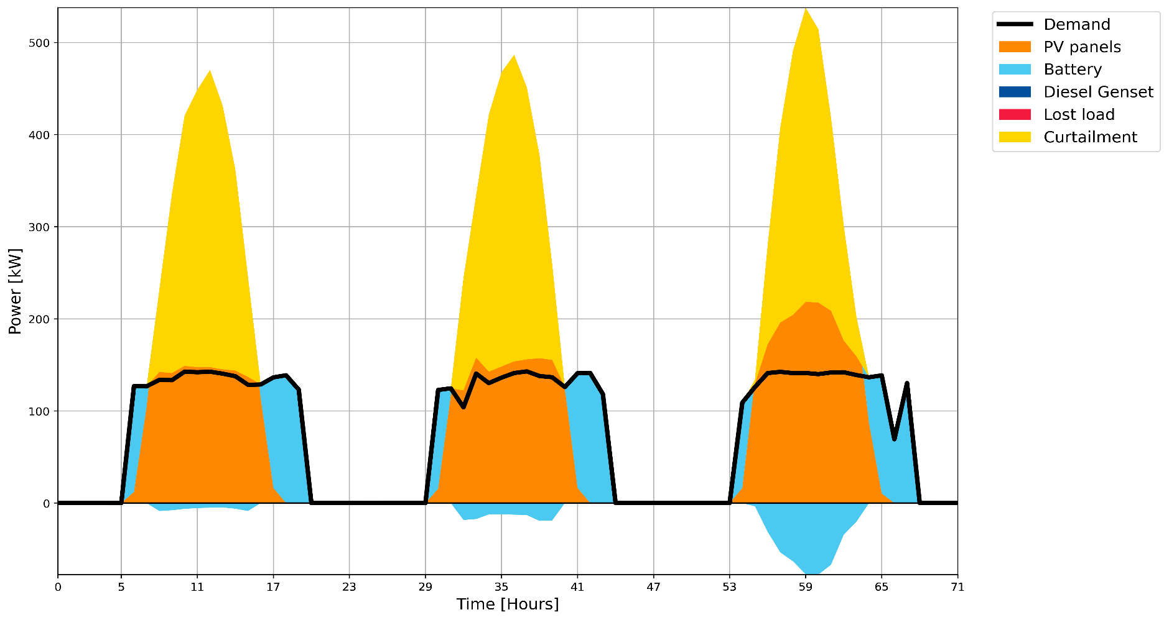
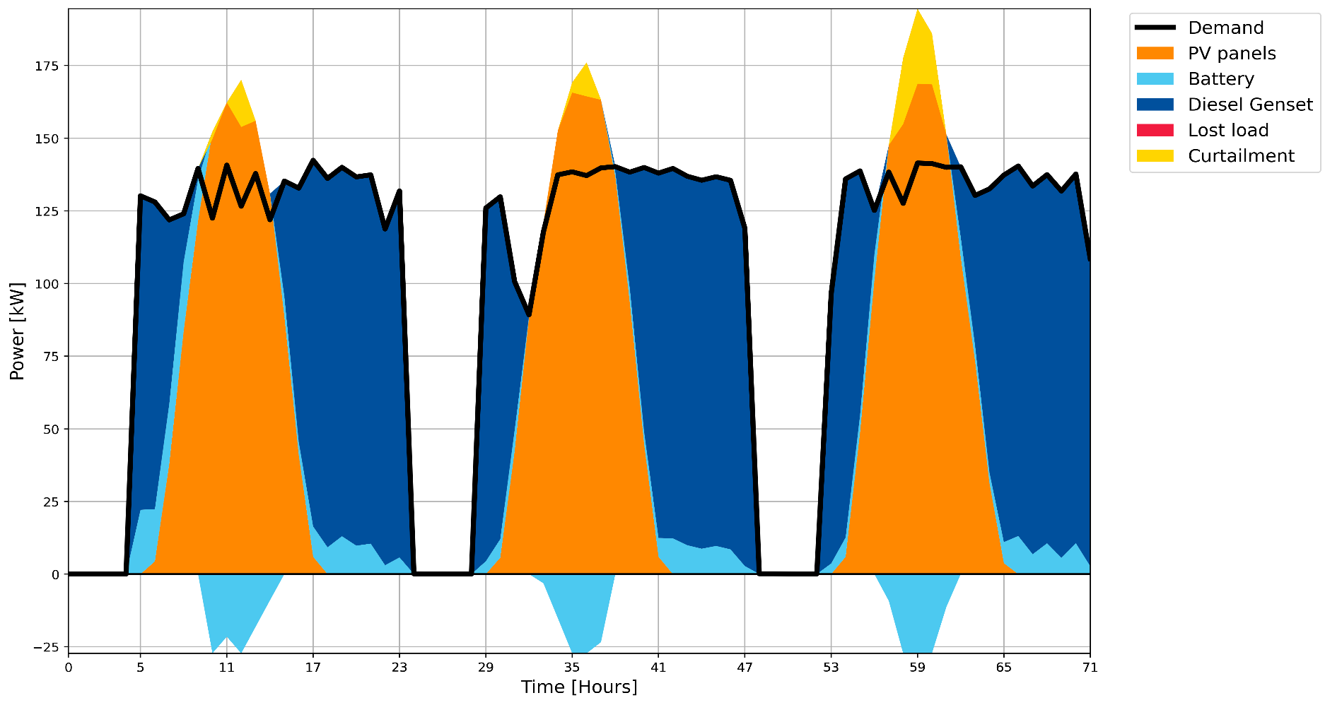
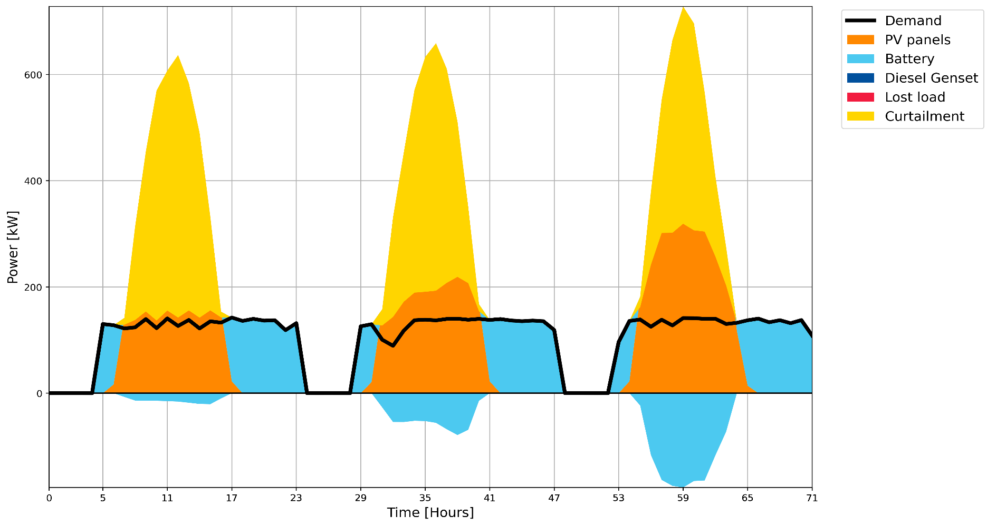
1 MILL
 |  | Load [kWh/year] | Investment Cost [MUSD @2015] | PV Size [kW] | Battery Size [kWh] | Genset Size [kW] | Fuel Consumption [kUSD/year] | Battery Replacement Cost [kUSD] | Fixed O&M [kUSD/year] | Cash Flow [kUSD/year] | Tariff no INV [USD/kWh] | LCoE [USD/kWh]
 | BAU | 323,668 | - | - | - | - | -
Hybrid | plus 50% | 489,041 | 0.72374 | 325 | 124 | 118 | 72.32 | 1.42 | 15.18 | 88.92 | 0.000182 | 0.0581
 | plus 100% | 650,245 | 0.73286 | 326 | 136 | 129 | 127.60 | 1.57 | 15.43 | 144.6009 | 0.000222 | 0.0611
Solar | plus 50% | 489,041 | 2.50473 | 902 | 1751 | - | - | 9.73 | 50.09 | 59.82 | 0.000122 | 0.0997
 | plus 100% | 650,245 | 3.50703 | 1221 | 2663 | - | - | 20.55 | 70.14 | 90.6875 | 0.000139 | 0.1072

